Induction Motor
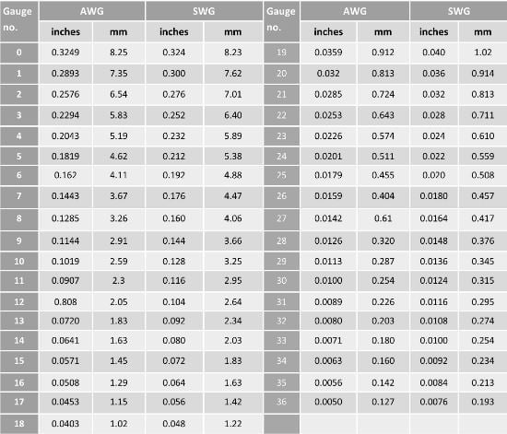
Calculation of Stator Conductor Size |  |  |  |  |  | As = Iph / ds |  | where ds = current density (Usually 3 - 5 A/mm2)
P = | 1 | hp | = | 746 | watt |  |  | As = Cross sectional area of Stator Conductor
Vph= | 220 | volt |  |  |  |  |  | Iph = Stator Current per phase
Iph= | 1.4128787879 |  |  |  |  | Iph=watt/cos(si)xVphx3
As= | 0.47095959596 | mm2 |  |  |  | As= | Pi*r2
Pi= | 3.14
D= | 2r
r= | D/2
For J= | 3
As(Area)= | 0.47095959596 | mm2 | 23no wire required for 1 hp motor
D(dia)= | 0.77456344471 | mm

Calculation of number of turns per phase |  |  |  |  |  |  | Nph = Eph/4.44 X f X flux X kw
 |  |  |  |  |  |  | Eph = emf per phase (415 if delta connect 220 if star connect)
Eph= | 220 |  |  |  |  |  | frequency = 50Hz
kw= | 0.954 |  |  |  |  |  | kw (window space factor) = 0.954
Bav= | 0.45 |  |  |  |  |  | flux = Bav X A
D= | 8.2 | cm |  |  |  |  | Bav = 0.45 -0.55
L= | 8.2 | cm |  |  |  |  | A=PiDL/P
Pi= | 3.14 |  |  |  |  |  | D = Inner Dia of stator
P(pole)= | 4 |  |  |  |  |  | L = total Stator Length
flux= | 0.002375253 | wb | 0.009501012
f= | 50 | Hz
Nph= | 437.33220153

Calculation of number of Conductors per Slot(Z) |  |  |  |  |  |  |  |  | Z = Total Conductors / Slots

Slots= | 36
Z= | 72.888700255 | === | 183 | Turns

